About
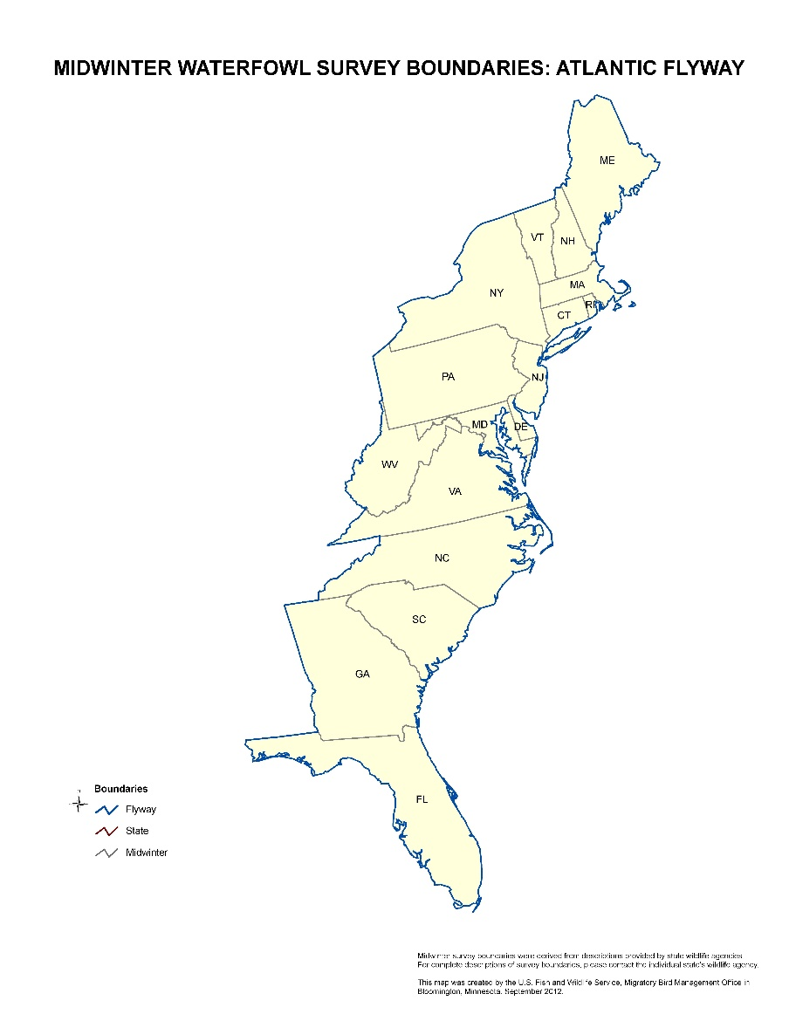
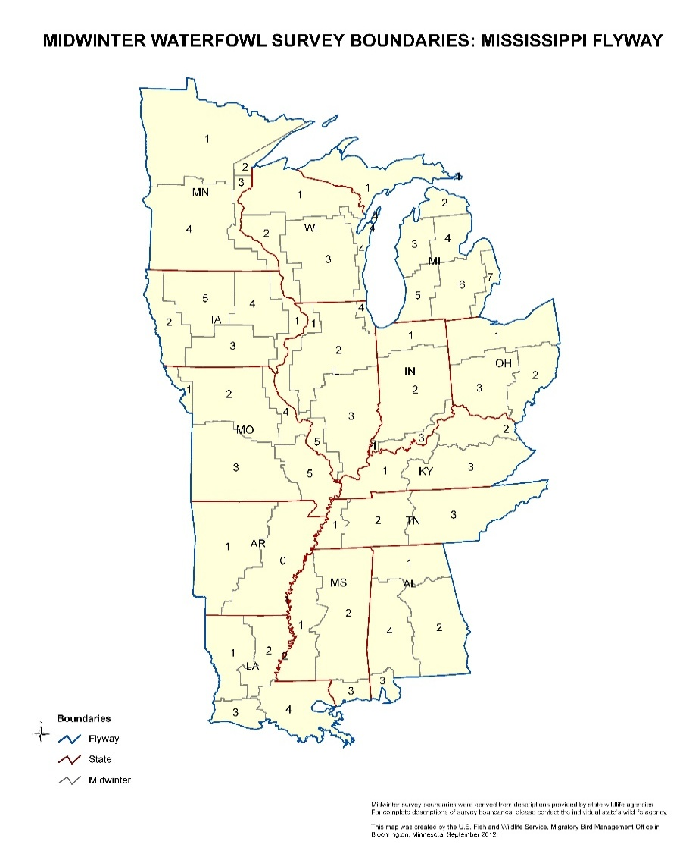
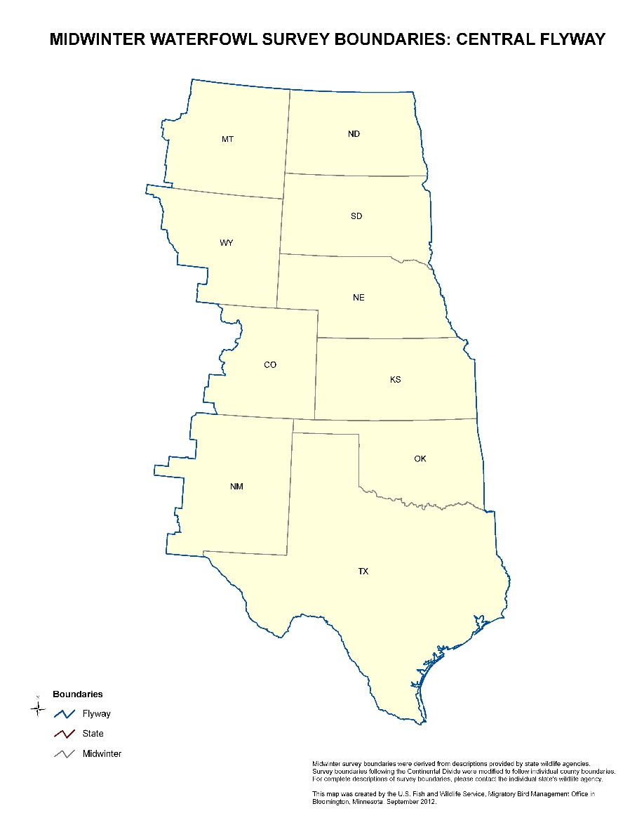
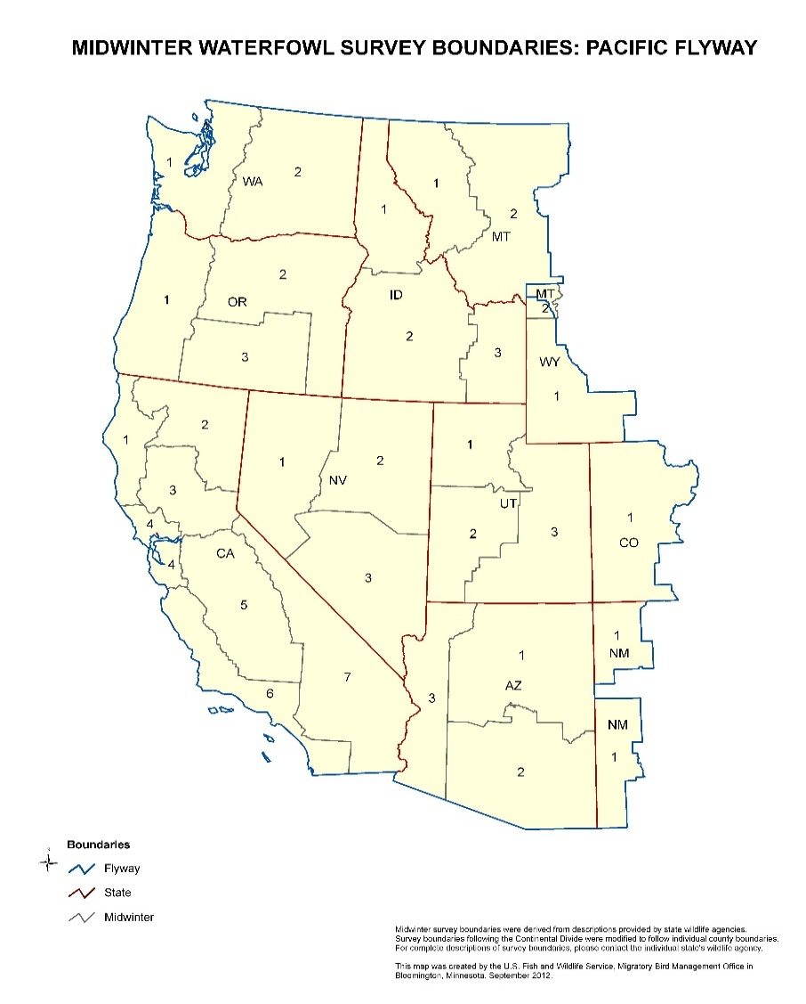
Mid-winter Survey (Inventory) Data, 1955–2025, compiled and combined.
Database created by Steve Olson 08/05/2026, Updated 10/02/2026.
SUMMARY
The MWS was discontinued as nationwide effort after 2015, but data were still collected through 2025 as some States and Flyways transitioned out, and some continued "winter surveys" to current day (available from those States). This database serves as the most complete time series for the now retired MWS. Data have gone through QAQC and standardization of Flyways, States, Zones, and years, but counts have not been modified. These data are the result of combined efforts by various federal, state, and provincial agencies and other researchers and managers. Missing data were not investigated, and are assumed a survey wasn't flown that year. The survey lacked a rigorous, uniform statistical sampling design across all regions. Field methods, observer experience, aircraft types, and survey effort vary significantly by state and year, and were not accounted for. Counts targeted traditional concentration zones and do not represent total absolute population estimates of birds. Please reach out to State agencies for data at finer scales than zones (e.g., individual wetlands or complexes).
PURPOSE The Mid-winter Waterfowl Survey was a nationwide effort to survey waterfowl in areas of major concentration on their wintering grounds and provide winter distribution and habitat affiliations. This survey also served as a primary source of data on population trends for some species that breed in remote Arctic locations and were difficult to survey using traditional methods. Therefore, abundance indices for some of these species were obtained from surveys on wintering areas. For species not covered in other population surveys these indices provided direct inputs into management programs such as harvest management plans. Most of these species-specific winter surveys still exist and those time series can be found in Flyway Data Books at:
https://fws-fileshare.app.box.com/s/0hiuar610gudocllqf9umxgxo9hve5vr
LIMITATIONS The Mid-winter Survey was criticized for its lack of a statistical sampling design, differences in field methods among states, changes in survey personnel and variability in personnel experience, variation in survey effort, and changes in surveyed areas within states. Because of these limitations, caution must be used in making inferences about population trends using data from this survey. Any such attempts should be made in close consultation with State and Federal agency personnel that have knowledge of specific limitations of these data for individual States and species.
DATA DISCLAIMER
Although the following population and habitat data have undergone substantial editing and review prior to posting, errors or inaccuracies may still exist in the data. Thus, these data should be regarded as provisional because subsequent reviews may result in revisions to the data. These data have been processed successfully on computer systems within the Division of Migratory Bird Management (DMBM), U.S. Fish & Wildlife Service (USFWS), however no warranty expressed or implied is made regarding the accuracy or utility of the data on any other system or for general or scientific purposes, nor shall the act of distribution constitute any such warranty. This disclaimer applies both to individual use of the data and aggregate use of the data. It is strongly recommended that these data are directly acquired from a USFWS, DMBM source, and not indirectly through other sources which may have changed the data in some way. The USFWS shall not be held liable for improper or incorrect use of the data retrieved from the Migratory Bird Data Center. The USFWS shall not be held liable for improper or incorrect use of the data described and/or contained herein.
Information concerning the accuracy and appropriate uses of these data may be obtained from the point of contact below:
Steven M. Olson
Wildlife Biologist - Pacific Flyway USFWS - Division of Migratory Bird Management
Spokane Valley, WA
steven_olson@fws.gov
Publications based on these data should acknowledge all of the efforts from State and Federal agencies. If a publication is based solely on the analysis of the data, we suggest that you involve the point of contact with the writing and/or review of the manuscript.
Flyway- and State-specific Notes:
Atlantic Flyway
2001 - Estimates for portions of Florida were based on previous 3-year average.
2003 - Florida data are incomplete. Data from the USFWS Redhead Survey areas are unavailable.
2004 - No survey conducted in Florida. Estimates for Florida based on 2000-2002 average.
2005 to present - No survey conducted in Florida. Totals for mottled ducks, whistling ducks, blue-winged teal, redheads, scaup, ring-necked ducks, and to a lesser extent, wigeon and shovelers are especially suspect.
2007 - No survey conducted in Vermont.
2007 - Connecticut conducted a ground-based survey of black duck and brant concentration areas only.
2007 - New York survey data are from Long Island only. Counts for black ducks and brant are probably reasonable, but counts for other species are likely too small, especially mallards, canvasbacks, Canada geese, and mute swans.
2008 - No survey conducted in South Carolina
2009 - No survey conducted in Florida. New York survey data are from Long Island only
2010 - No survey conducted in Florida. New York survey data are from Long Island and Lake Champlain only
2011 - New York survey data are from Long Island and Lake Champlain only.
2011 - Failure of the voice/GPS computer program prevented Pennsylvania from completing or compiling aerial survey segment and sub-segment data. In an effort to reconcile lost data, ground counts were performed, although in some cases even these efforts were not feasible. Therefore, counts for this state are not comparable to previous years. Extent of data loss for individual species varied from minimal (snow geese, tundra swans) to moderate (Canada geese and most duck species) to extensive (mergansers).
2012 and 2013 - New York survey data from Long Island only. Counts for black ducks and brant are probably reasonable, but are likely too small for other species, especially mallards, canvasbacks, Canada geese, and mute swans.
2012 and 2013 - Flyway totals are not comparable with totals from previous years because of lack of survey in Florida. Totals for mottled ducks, whistling ducks, blue-winged teal, redheads, scaup, ringnecked ducks, and to a lesser extent, wigeon and shovelers are especially suspect.
2014 - New York survey data from Long Island, Lake Champlain, and western part of state only. Counts for black ducks and brant are probably reasonable, but are likely too small for other species, especially mallards, canvasbacks, Canada geese, and mute swans.
2014 - Flyway totals are not comparable with totals from previous years because of lack of survey in Florida. Totals for mottled ducks, whistilng ducks, blue-winged teal, redheads, scaup, ringnecked ducks, and to a lesser extent, wigeon and shovelers are especially suspect.
2014 - No survey conducted in Vermont.
2015 - New York survey data from Long Island, Finger Lakes region, Great Lakes shorelines, and Lake Champlain. Counts are not comparable to previous years due to wide variation in survey area.
2016 - New York survey data from Long Island, Finger Lakes region, Great Lakes shorelines, and Lake Champlain. Counts are not comparable to previous years due to wide variation in survey area.
2016 - Only Delaware, Georgia, Maryland, and Rhode Island counted all birds seen in the entire survey area. New Jersey, New York, North Carolina, and Pennsylvania results are not comparable to previous years except for Atlantic brant and tundra swans. Connecticut, Massachusetts, South Carolina, and Virginia reported only Atlantic brant and tundra swans. All other states did not conduct a survey.
Mississippi Flyway
1966 - Unidentified ducks includes 39,758 wood ducks
1967 - Unidentified ducks includes 28,452 wood ducks
1968 - Unidentified ducks includes 28,410 wood ducks
1969 - Unidentified ducks includes 22,526 wood ducks
1969-97 - Surveys conducted in December, January thereafter
1970-79 - Goose Estimates are from the December Goose Survey
1970-79 - Unidentified ducks includes wood ducks except within Ontario
1970-79 - Eider and Scoter numbers combined
1980-89 - Goose Estimates are from the December Goose Survey
1980-81 - Unidentified ducks includes wood ducks except within Ontario
1980-81 - Eider and Scoter numbers combined
1990-98 - Goose Estimates are from the December Goose Survey
1994 - No surveys were conducted in Michigan
1996 - No December goose survey in Wisconsin & Ontario
1997 - No December goose survey in Wisconsin
1998 - No December goose survey in Ohio
2004 - No surveys were conducted in Wisconsin
2006 - Within Mississippi the transect survey officially replaced the traditional survey in Zone 1. Only mallards and unidentified ducks were counted.
2010 - Within Arkansas the transect survey officially replaced the traditional survey for Zone 2 & 3.
2012-13 - No survey conducted in Michigan.
Central Flyway
2002 - Within Colorado, 37,809 unidentified ducks were unknown dabblers.
2004 - The USFWS did not participate in the 2004 Mid Winter Survey so coverage was not complete in the High Plains of Texas.
2005 - Texas did not survey the Coastal Sand Plains due to weather and equipment problems.
2007 - Texas did not survey the Rolling Plains and Sand Plains due to weather and equipment problems.
2025 - Last year of coordinated Flyway data collection.
Pacific Flyway
2014-16 - In Alaska, only the areas of Izembek NWR and Sanak Island were counted. Alaska did not count species other than Emperor geese, Black Brant, and Steller's Eiders.
2015-16 - California changed their survey method from a general cruise survey to a transect-based survey in 2015. California's numbers are now estimates and are not comparable to previous years because of the difference in survey methodology. These new numbers are estimates, so error, precision, and more information can be obtained by contacting the state. Also, under new survey methodology, geese and swans other than brant were not reported; these species are monitored separately with surveys conducted earlier in the wintering season.
Field | Definition
Year | Survey year, generally flown in January
State | State (2 digit alpha abreviation, see official U.S. Postal Service abreviations)
FlywayID | Flyway identifier (AF=Atlantic, MF=Mississippi, CF=Central, PF=Pacific, WM=Western Mexico)
Zone | State defined survey zones (see associated maps)

Species Code | Description
ABDU | American black duck
AMCO | American coot
AGWT | American green-winged teal
AMWI | American wigeon
BCTE | Blue-winged and cinnamon teal (not speciated)
BRAN | Brant
BUFF | Bufflehead
CAGO | Canada and Cackling geese (not speciated)
CANV | Canvasback
DUCK | Unidentified ducks
EIDE | Eiders (not speciated)
GADW | Gadwall
GOLD | Goldeneyes (not speciated)
GWFG | Greater white-fronted goose
HARD | Harlequin duck
LTDU | Long-tailed duck
MALL | Mallard
MEDU | Mexican-like duck
MERG | Mergansers (not speciated)
MISC | Miscellaneous ducks (including any other species of ducks identified, but not historically counted on the survey)
MODU | Mottled duck
NOPI | Northern pintail
NSHO | Northern shoveler
REDH | Redhead
RNDU | Ring-necked duck
RUDU | Ruddy duck
SACR | Sandhill crane
SCAU | Scaup (not speciated)
SCOT | Scoters
SNOW | Light geese (including white and blue phase snow geese, ross's geese, and undifferentiated light geese)
SWAN | Swans (including Tundra, Trumpeter, Mute and unidentified swans)
WHDU | Whistling duck
WODU | Wood duck

